Sheet1
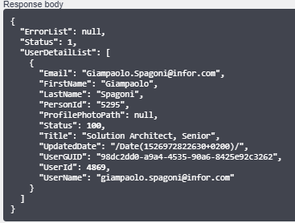
 | DATA FROM IONAPI
Email | Giampaolo.Spagoni@infor.com
FirstName | Giampaolo
LastName | Spagoni
PersonId | Giampaolo.Spagoni@infor.com
Title
UserGUID | 8f643f10-0559-4e34-972d-52f41a4b9fcc
UserId | 20
UserName | ca9ba551-9347-45b3-a926-c9bf361252e0

 |  | TOKEN | REFRESH TOKEN
 | Configuration ionapi file (Web Application service type) | {"access_token":"jzhs56matYOwiwlzH9Ez2ehmHILB","refresh_token":"kecwTXAhZ0Fcv51NWbrfpedMlsrP4eTTYl5lchlD1P","token_type":"Bearer","expires_in":7199} | {"access_token":"u9CNEcpDy1sEUIsV0ryAMDDSrNOE","token_type":"Bearer","expires_in":7199}
ti | MINGLETEST1_DEV
ci | MINGLETEST1_DEV~h7hpOl8yZftHpBZS7MygVPkaZ54IeM6K5wNWBjdZGL8
cs | d3kOg-BtBJqDH6zmHLjYEiZ_GDkOEGLGwy2cv_8SxW81bWHjNNw_wTSwJ-rb8IJ5KdPusnJjXADn7o_JdjiciA
iu | https://mingle-ionapi.inforcloudsuite.com
pu | https://mingle-sso.inforcloudsuite.com:443/MINGLETEST1_DEV/as/
oa | authorization.oauth2
ot | token.oauth2
or | revoke_token.oauth2
ru | http://localhost:3000/redirect.html
endpoint | /Mingle/SocialService.Svc/User/Detail

